
 |  |  |  | CODE: |  |  | pl1051aa SN from 96D673
DESCRIPTION: |  | DRIVE |  | ANTRIEB | TRACTION | TRACCION | TRAZIONE
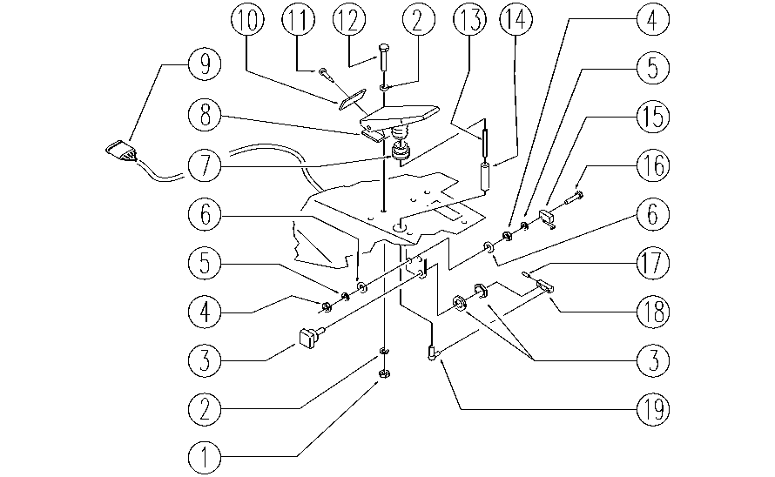

REF. | CODE | DESCRIPTION | QT
1 | E86552 | NUT | 2
2 | E86707 | WASHER | 4
3 | E86824 | POTENTIOMETER | 1
4 | E89274 | NUT | 4
5 | E89275 | WASHER | 4
6 | E86797 | WASHER | 4
7 | E86364 | BUSHING | 1
8 | E89269 | TREADLE | 1
9 | SL23928 | WIRING | 1
10 | E89270 | SPACER | 1
11 | E89276 | SCREW | 1
12 | E89486 | SCREW | 2
13 | E89277 | BAR | 1
14 | E89209 | SPACER | 1
15 | E86823 | MICROSWITCH | 1
16 | E86597 | SCREW | 2
17 | E87839 | SPLIT PIN | 1
18 | E86760 | LEVER | 1
19 | E87840 | ARTICULATION | 1

